Raw LW Data
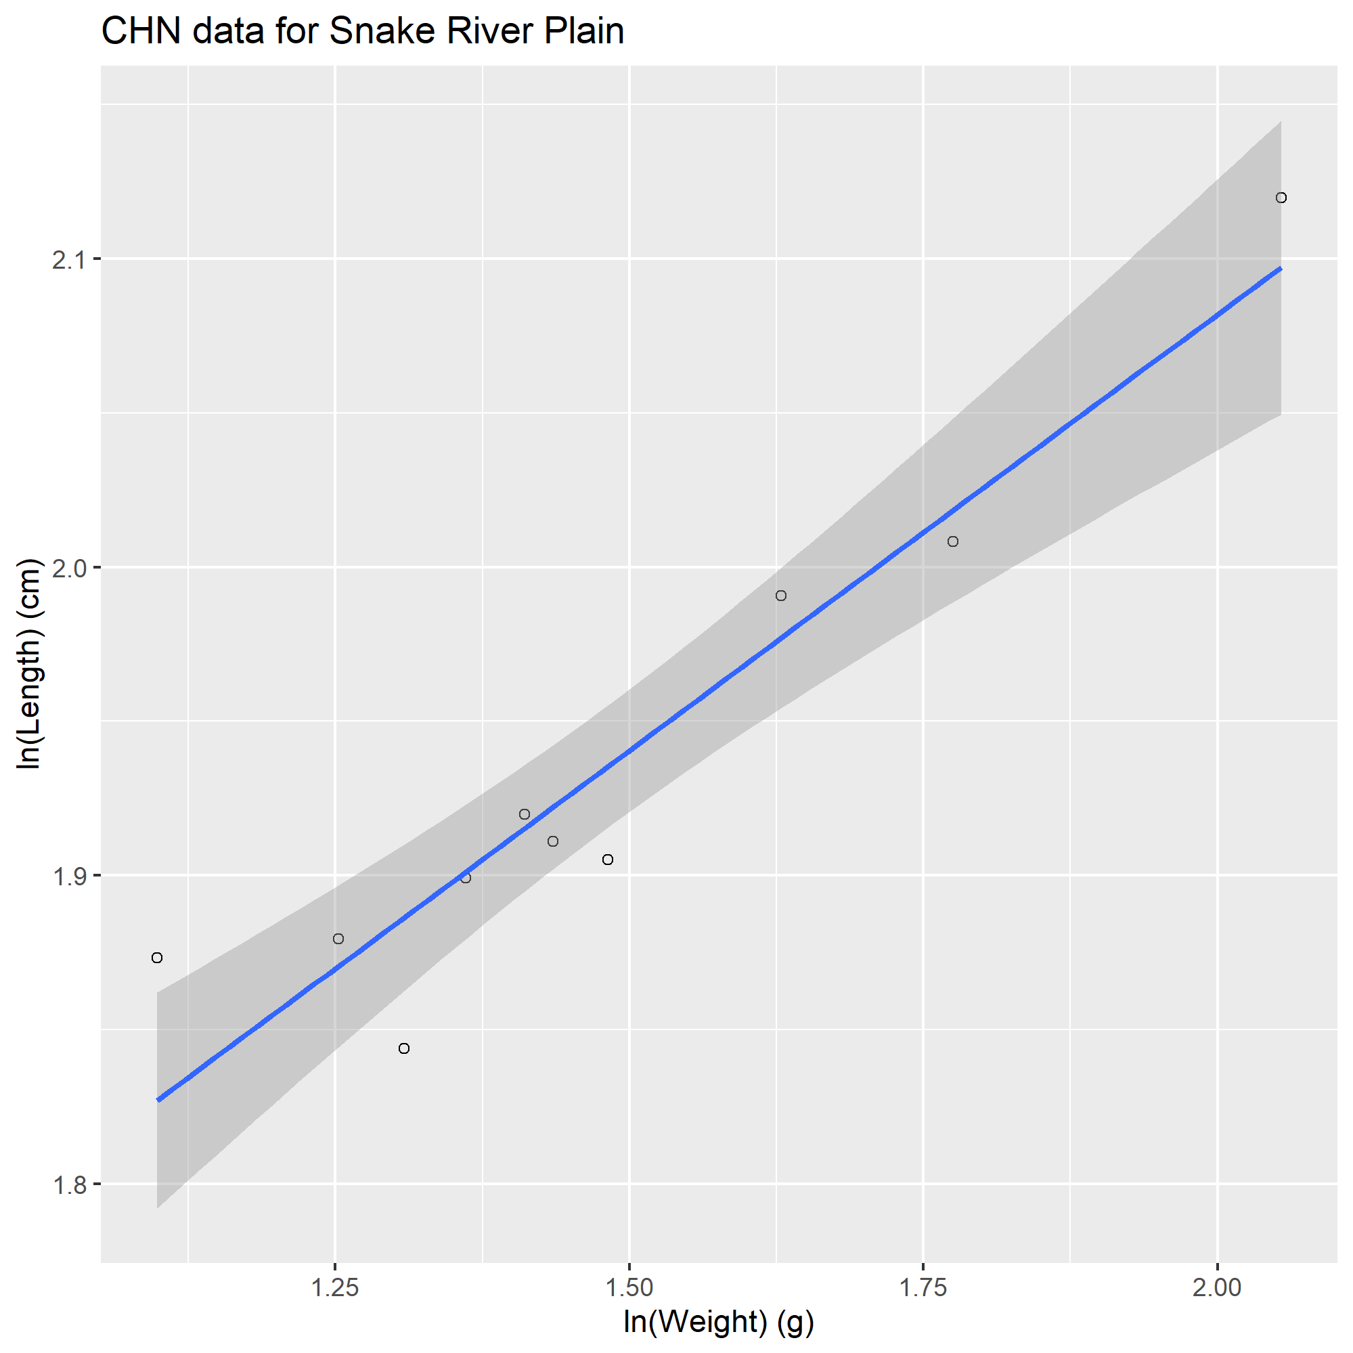
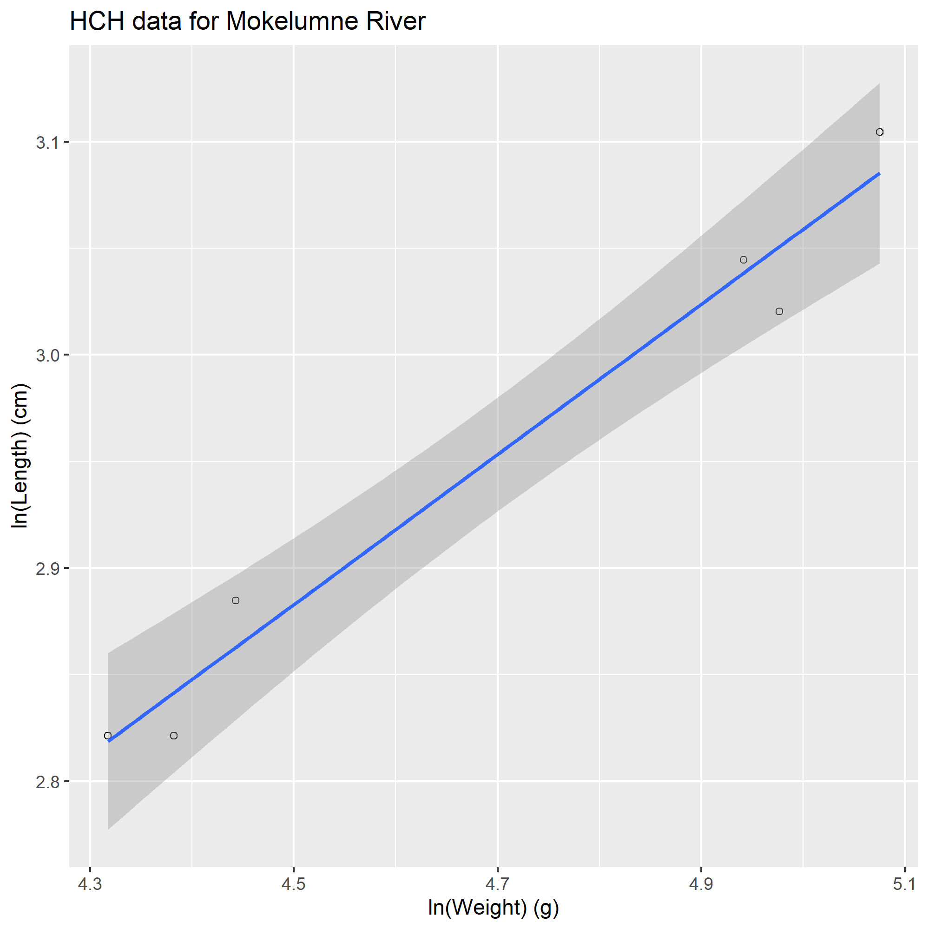
SpeciesCode | CommonName | SciName | length_cm | weight_g | Sex | LengthType | n | Country | Locality | Ref | Note
CHN | Chinook Salmon | Oncorhynchus tshawytscha | 6.72 | 4.4 | unsexed | FL | 423 | USA | Snake River Plain | Lamb et al. 2018
CHN | Chinook Salmon | Oncorhynchus tshawytscha | 6.32 | 3.7 | unsexed | FL | 1410 | USA | Snake River Plain | Lamb et al. 2018
CHN | Chinook Salmon | Oncorhynchus tshawytscha | 6.82 | 4.1 | unsexed | FL | 1041 | USA | Snake River Plain | Lamb et al. 2018
CHN | Chinook Salmon | Oncorhynchus tshawytscha | 7.45 | 5.9 | unsexed | FL | 334 | USA | Snake River Plain | Lamb et al. 2018
CHN | Chinook Salmon | Oncorhynchus tshawytscha | 6.76 | 4.2 | unsexed | FL | 490 | USA | Snake River Plain | Lamb et al. 2018
CHN | Chinook Salmon | Oncorhynchus tshawytscha | 6.51 | 3 | unsexed | FL | 1098 | USA | Snake River Plain | Lamb et al. 2018
CHN | Chinook Salmon | Oncorhynchus tshawytscha | 6.68 | 3.9 | unsexed | FL | 639 | USA | Snake River Plain | Lamb et al. 2018
CHN | Chinook Salmon | Oncorhynchus tshawytscha | 6.55 | 3.5 | unsexed | FL | 593 | USA | Snake River Plain | Lamb et al. 2018
CHN | Chinook Salmon | Oncorhynchus tshawytscha | 7.32 | 5.1 | unsexed | FL | 764 | USA | Snake River Plain | Lamb et al. 2018
CHN | Chinook Salmon | Oncorhynchus tshawytscha | 8.33 | 7.8 | unsexed | FL | 114 | USA | Snake River Plain | Lamb et al. 2018
HCH | Sacramento Hitch | Lavinia exilicauda exilicauda | 21 | 140 | unsexed | FL | 1 | USA | Mokelumne River | Jeffres et al. 2006
HCH | Sacramento Hitch | Lavinia exilicauda exilicauda | 20.5 | 145 | unsexed | FL | 1 | USA | Mokelumne River | Jeffres et al. 2006
HCH | Sacramento Hitch | Lavinia exilicauda exilicauda | 22.3 | 160 | unsexed | FL | 1 | USA | Mokelumne River | Jeffres et al. 2006
HCH | Sacramento Hitch | Lavinia exilicauda exilicauda | 16.8 | 80 | unsexed | FL | 1 | USA | Mokelumne River | Jeffres et al. 2006
HCH | Sacramento Hitch | Lavinia exilicauda exilicauda | 17.9 | 85 | unsexed | FL | 1 | USA | Mokelumne River | Jeffres et al. 2006
HCH | Sacramento Hitch | Lavinia exilicauda exilicauda | 16.8 | 75 | unsexed | FL | 1 | USA | Mokelumne River | Jeffres et al. 2006
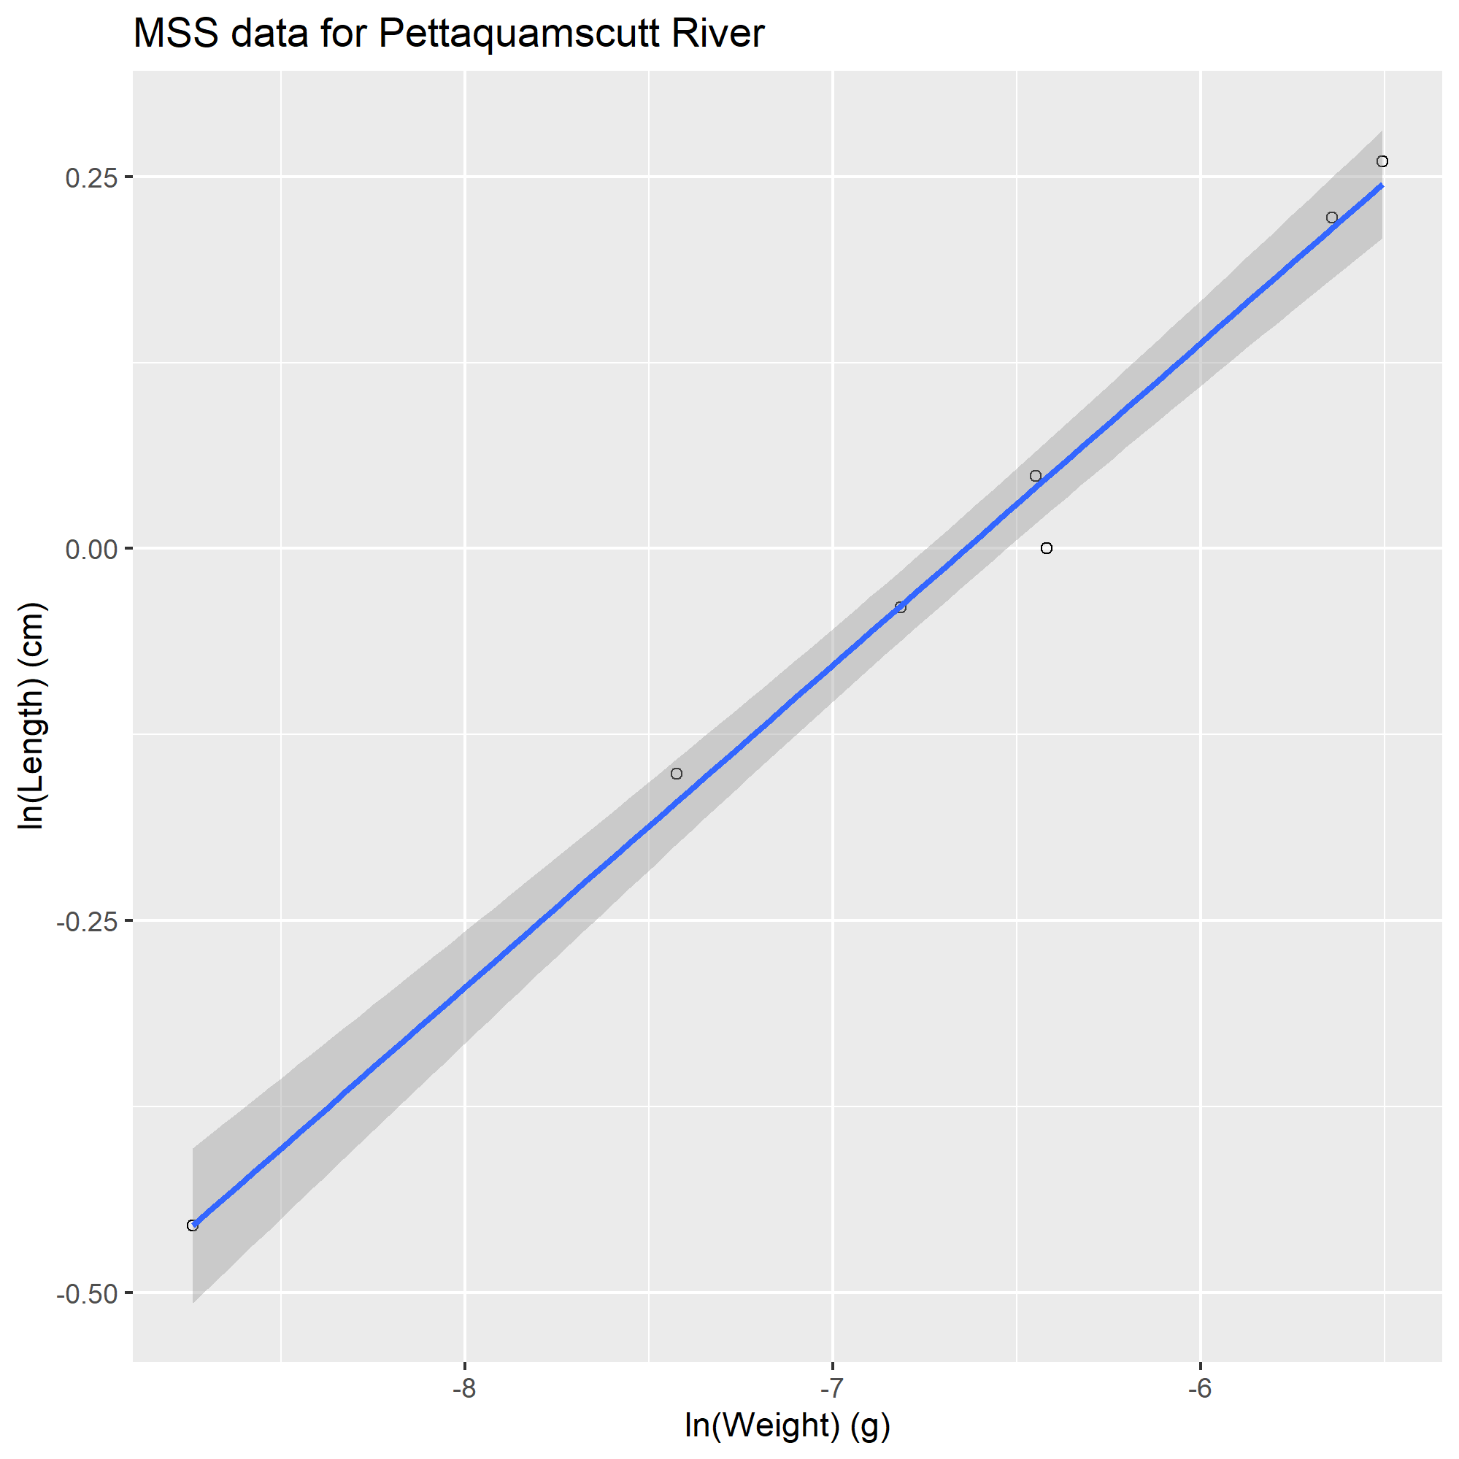
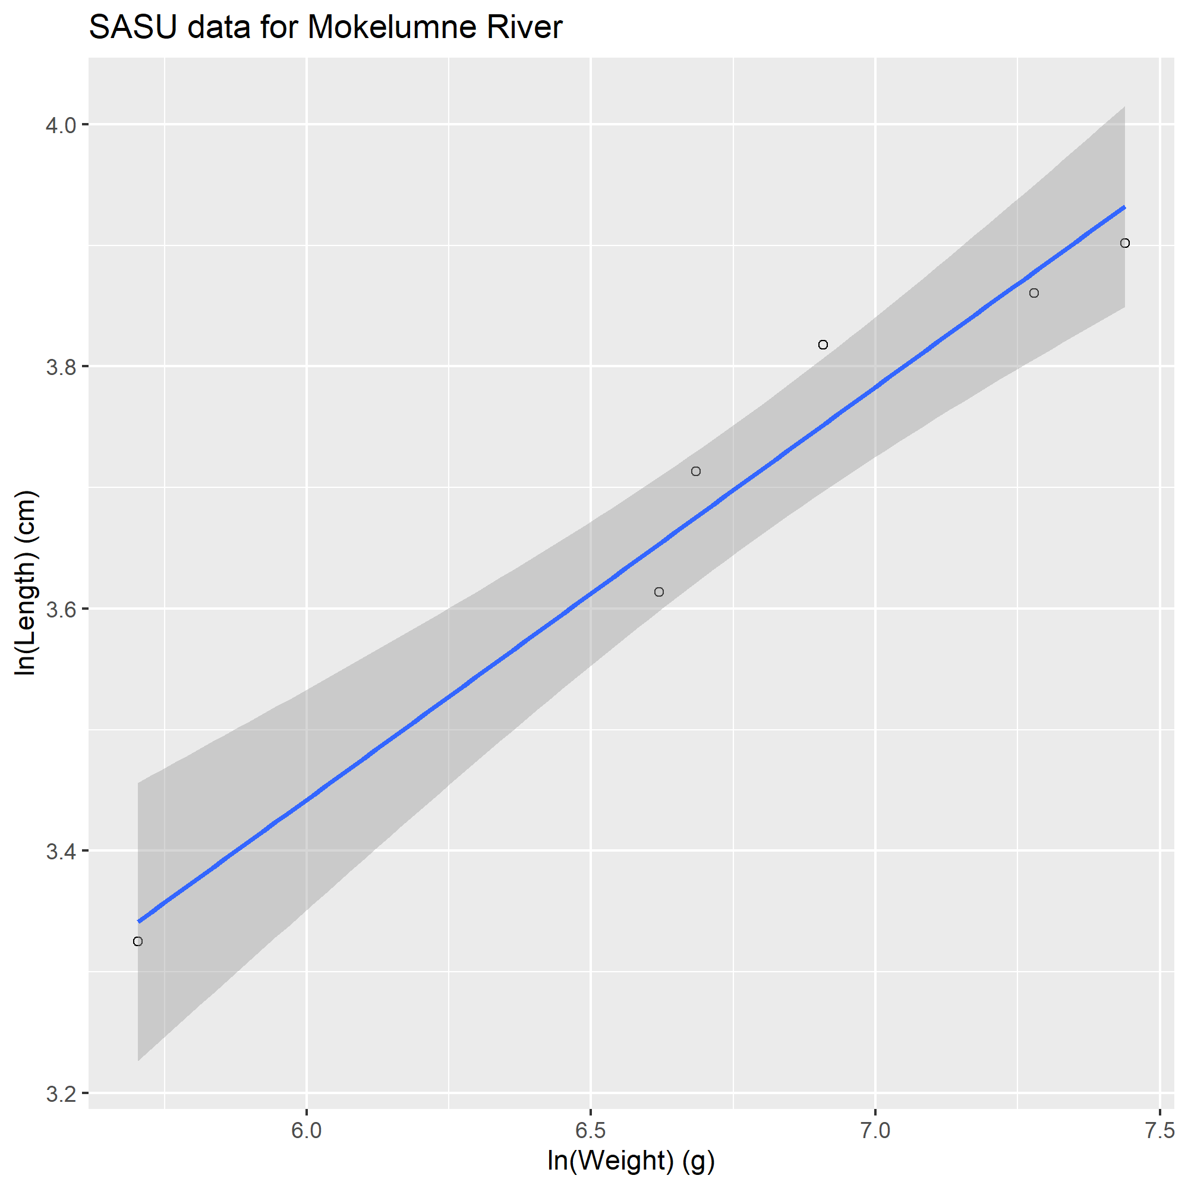
MSS | Inland Mississippi Silverside | Menidia beryllina subspecies | 0.6345 | 0.00016 | unsexed | SL | 22 | USA | Pettaquamscutt River | Letcher and Bengtson, 1993
MSS | Inland Mississippi Silverside | Menidia beryllina subspecies | 0.8596 | 0.000596 | unsexed | SL | 9 | USA | Pettaquamscutt River | Letcher and Bengtson, 1993
MSS | Inland Mississippi Silverside | Menidia beryllina subspecies | 0.9615 | 0.001098 | unsexed | SL | 10 | USA | Pettaquamscutt River | Letcher and Bengtson, 1993
MSS | Inland Mississippi Silverside | Menidia beryllina subspecies | 1 | 0.00163 | unsexed | SL | 10 | USA | Pettaquamscutt River | Letcher and Bengtson, 1993
MSS | Inland Mississippi Silverside | Menidia beryllina subspecies | 1.0499 | 0.001585 | unsexed | SL | 10 | USA | Pettaquamscutt River | Letcher and Bengtson, 1993
MSS | Inland Mississippi Silverside | Menidia beryllina subspecies | 1.2488 | 0.003542 | unsexed | SL | 10 | USA | Pettaquamscutt River | Letcher and Bengtson, 1993
MSS | Inland Mississippi Silverside | Menidia beryllina subspecies | 1.297 | 0.004066 | unsexed | SL | 10 | USA | Pettaquamscutt River | Letcher and Bengtson, 1993
SASU | Sacramento Sucker | Catostomus occidentalis occidentalis | 49.5 | 1700 | unsexed | FL | 1 | USA | Mokelumne River | Jeffres et al. 2006
SASU | Sacramento Sucker | Catostomus occidentalis occidentalis | 47.5 | 1450 | unsexed | FL | 1 | USA | Mokelumne River | Jeffres et al. 2006
SASU | Sacramento Sucker | Catostomus occidentalis occidentalis | 27.8 | 300 | unsexed | FL | 1 | USA | Mokelumne River | Jeffres et al. 2006
SASU | Sacramento Sucker | Catostomus occidentalis occidentalis | 37.1 | 750 | unsexed | FL | 1 | USA | Mokelumne River | Jeffres et al. 2006
SASU | Sacramento Sucker | Catostomus occidentalis occidentalis | 41 | 800 | unsexed | FL | 1 | USA | Mokelumne River | Jeffres et al. 2006
SASU | Sacramento Sucker | Catostomus occidentalis occidentalis | 45.5 | 1000 | unsexed | FL | 1 | USA | Mokelumne River | Jeffres et al. 2006

